A-Input Water Use Data
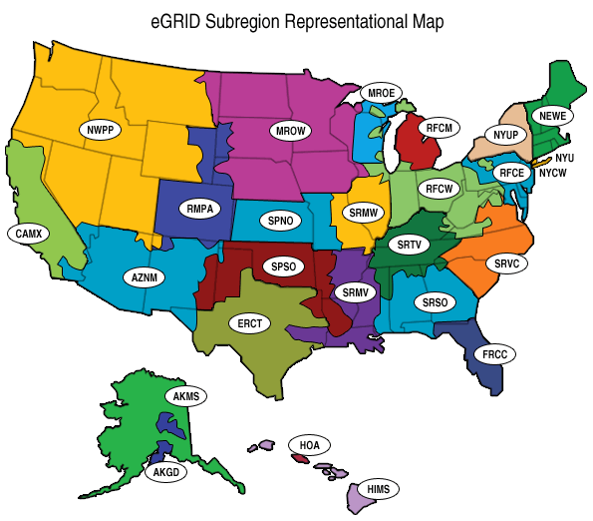
Water Use and Wastewater Treatment Information

 | Return to Overview Page
What is the name of the Water and/or Wastewater Utility?

Water and Wastewater Utilities Overview
eGrid Region
In which eGRID Region are you located? (See map below) | RCFM
Overview Information
How many people does your utility serve?
What is the average household size in your service area?
How much water is withdrawn by your entity or purchased from another entity annually (in gallons)?
How much water is distributed to customers annually (in gallons)?
What is your total annual wastewater treated (in gallons)?
Electrical Use for Water and Wastewater Treatment
How many kWH were used for water withdrawal and treatment during the year?
How many kWH were used for the wastewater treatment during the year?
What is the average rate charged per kWH for electricity at the water utility?
What is the average rate charged per kWH for electricity at the wastewater utility?

 | Go to "Input Conservation Options" Worksheet

A-Output-Cons Acts Impacts
Conservation Activities Percentage of KWh Savings | Percentage
Inflow & Infiltration Reduction Opportunities | 0
Leak Detection and Repair of Water Distribution System | 0
Residential Toilet Change out Program | 0
Residential Showerhead Replacement Program | 0
High Efficiency Residential Washing Machine Replacement Program | 0
Outdoor Water Use | 0
Residential Water Audit Program | 0
Commercial Industrial Laundromat Washer Replacement Program | 0
Commercial and Industrial Toilet Replacement program | 0
Commercial and Industrial Urinal Replacement program | 0
Commercial and Industrial Dishwasher Replacement Program | 0
Kitchen Food Steamer Replacement Program | 0

A-Carbon Credit Value Scenarios
 | Value of Carbon Credits
 | Under Different Pricing Scenarios
 |  | Return to Overview Page
Value of Carbon Credits
Related to Water Conservation
Price per Ton | Value of Credits
$0.05 | $-
$0.25 | $-
$1 | $-
$5 | $-
$10 | $-
$15 | $-
$20 | $-
$25 | $-
$30 | $-
$35 | $-

 |  | Return to 'A-Output-Emissions Impacts'

C-Input-Annual Water Use
Water Use and Wastewater Treatment Information |  |  |  |  | 0
0 | Return to Overview Page
eGrid Region
Water Distributed-Wastewater Treated
 | Water | Wastewater
0
0
0
0
In which eGRID Region are your utilities located? |  | RCFM

Water Usage | Year | (gal)
How much water was withdrawn for Year 1
How much water was withdrawn for Year 2
How much water was withdrawn for Year 3
How much water was withdrawn for Year 4

Wastewater Treated | Year | (gal)
How much wastewater was treated for Year 1
How much wastewater was treated for Year 2
How much wastewater was treated for Year 3
How much wastewater was treated for Year 4

Power Usage
 | Water | Wastewater
0
0
0
0
Electrical Use for Water Pumped | Year | kWH
How much electricity was used to pump sourcewater in Year 1
How much electricity was used to pump sourcewater in Year 2
How much electricity was used to pump sourcewater in Year 3
How much electricity was used to pump sourcewater in Year 4

Electrical Use for Wastewater Treated | Year | kWH
How much electricity was used treat wastewater in Year 1
How much electricity was used treat wastewater in Year 2
How much electricity was used treat wastewater in Year 3
How much electricity was used treat wastewater in Year 4

KWh for water use, treatment, and distribution | Year | kWH
 |  | 0
 |  | 0
Carbon Emissions
 | Water | Wastewater
0 | - | -
0 | - | -
0 | - | -
0 | - | -
 |  | 0
 |  | 0

KWh for wastewater treatment and distribution | Year | kWH
 |  | 0
 |  | 0
 |  | 0
 |  | 0
 |  | Water |  | Wastewater
 | - | $- | 0 | $-
 | - | $- | 0 | $-
 | - | $- | 0 | $-
 |  | $- |  | $-

